Read_First
Use this framework to record evidence of a mentee's professional experience against the requirements for Chartered Chemical Member (MIChemE) and Chartered Engineer registration.
Always refer to our Mentoring Guidelines document for further details on the roles of mentors and mentees, and guidance on mapping a mentee's progress and experiences against the Competence and Commitment (C&C) report format.
This version applies to the new C&C report, which will be introduced in March 2027.
Framework for effective mentoring (This version applies to the new C&C report, which will be introduced in March 2027)

 | Contents:
Page
Description

Mentoring Guidelines
• the Review, Assess, Plan, Action process
• suggested rating system to assess mentee's experience against requirements for Chartered status
• a link to IChemE's Mentoring Guidelines document

Mentees should use the framework to record evidence of their experience against Chartered requirements, and mentors can rate their progress.
Section A
Link to report examples of the specific competence.

Section B
What the assessors are looking for in this section of the C&C report.

Section C
Proposed rating system for recording the progress of each competence.
Section D

Section E
Upload relevant documents (certificates, transcripts) etc.

Useful links
Links to useful areas of the IChemE website including report guidance and examples.

Excel Tips
Some useful Excel tips.

Mentoring_Guidelines
Framework for effective mentoring (This version applies to the new C&C report, which will be introduced in March 2027)

Step 1: Review
Review together the mentee’s experience to date against the competences required in the C&C report. Keep the criteria on this page in mind as a loose definition of chemical engineering to ensure that the mentee is eligible to become a Chartered Chemical Engineer.
Step 2: Assess
Assess together how well the mentee’s experience covers the competences and level of commitment required by the C&C report, i.e. the mentee may score low in health and safety aspects of chemical engineering due to lack of experience. This may therefore become a priority area to address at the Plan stage.

Step 3: Plan
Plan together areas for future development, in priority according to the ratings of mentee’s experience in the previous exercise. A priority area for development may be health and safety aspects with associated activities such as experience in conducting risk assessments, implementing improvements, communicating safety procedures etc.
Step 4: Action
List together actions the mentee could take to achieve the goals set out in the development plan, i.e. requesting an opportunity from their line manager to shadow a risk assessment or request relevant health and safety training.

A suggested rating system:

Adequate | Skill/Ability | Evidence of competence demonstrates adequate coverage and meets the standard required for a Chartered Chemical Engineer. Performs the activity in a range of contexts. Supervision only required in more complex circumstances. Some individual responsibility.
 | Experience | Evidence of competence demonstrates good coverage but the mentee needs either as little more experience or training, or the opportunity to operate at the required level. (The required experience, training or opportunities should be described). Little or no individual responsibility.
 | Knowledge | There has been some training undertaken or experience gained in the area, but more is required. Performs activity with significant direction/supervision. Performs only routine and predictable tasks.
Inadequate | Awareness | The area has only been tounched on by the mentee. Has not yet had the opportunity to perform the activity.

The mentor/mentee relationship

If circumstances allow, we encourage mentor/mentee relationships to continue until the mentee gets Chartered. If both parties feel the relationship is no longer productive, contact IChemE to seek assistance in searching for a new mentor or mentee (membergroups@icheme.org)

Download our Mentoring Guidelines

Useful_links
Framework for effective mentoring (This version applies to the new C&C report, which will be introduced in March 2027)
Useful links

Membership information and resources:

Mentoring guidelines
Chartered Member
C&C report guidance, template & examples
MyIChemE
Resources

CPD-related tools and information:

Continuing Professional Development (CPD)
IChemE Training
The Chemical Engineer
Member Communities

Other useful information:

How to mentor
(article)
How to be a good mentee
(article)

Excel_Tips
Framework for effective mentoring (This version applies to the new C&C report, which will be introduced in March 2027)
How to insert bullet points in Excel
Alt+7 on your numeric keyboard to enter a generic bullet
To quickly add additional bullets into the same cell, press ALT + ENTER to add a line break within the cell, and then repeat the ALT+7 key combination
How to autofit a row
For sections A, B, C, D, E, the toolkit has been developed in
such a way that as a default the cells will expand in order to
fit the text.
If for some reason this is not working then choose the cell
and then go to Format --> AutiFit Row Height
Numeric keyboard

How to attach documents on the toolkit
If you want to attach a document as supporting material or as evidence for your CPD, then choose Insert --> Text ---> Object --> Create from file. Ensure to tick the box "Display as icon". You can adjust the size so it will fit in the box:

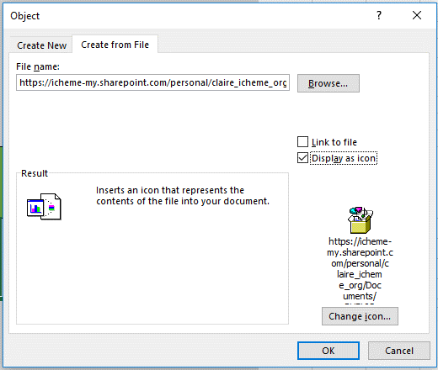
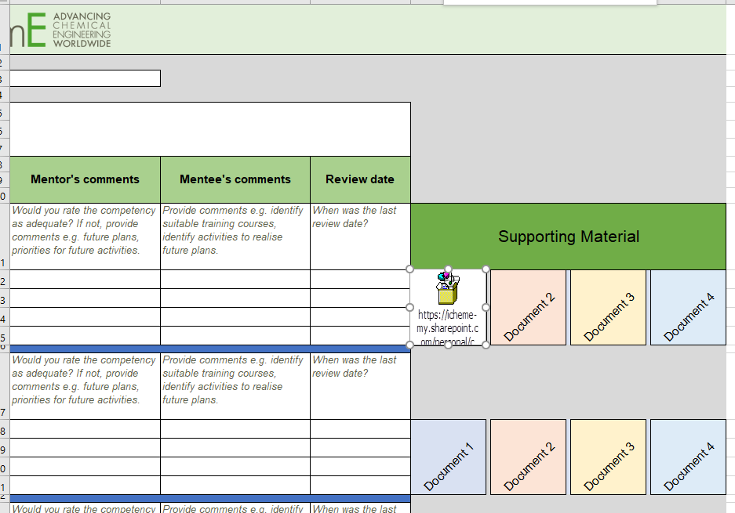

How to save a spreadsheet as a PDF form.
If you want to save a spreadsheet as a PDF form go to:
File --> Save as --> Browse and then go the "Save as Type" and choose PDF.
This will only save the current spreadsheet and not the whole Excel document.
This is useful if you want to archive your progress or if you would like to provide
your feedback for the toolkit

How to print any spreadsheet on one page
In print settings, make sure it's set to either to:
"Fit all Columns on One page" or "Fit Sheet on One Page".
If printing a page to discuss during a session with your mentor
it might be better to print it on A3 size.
Ensure that you have chosen "Narrow Margins"
How to change the rating system
If you would like to change the proposed rating system (Awareness, Knowledge, Experience, Skill) to something else go to DATA and then "Data validation".
Where it says "Source", replace the current system with your preferred one. Use a "," and a "SPACE" between each rating. Then copy that cell to all the cells on the same column.

